Battery size
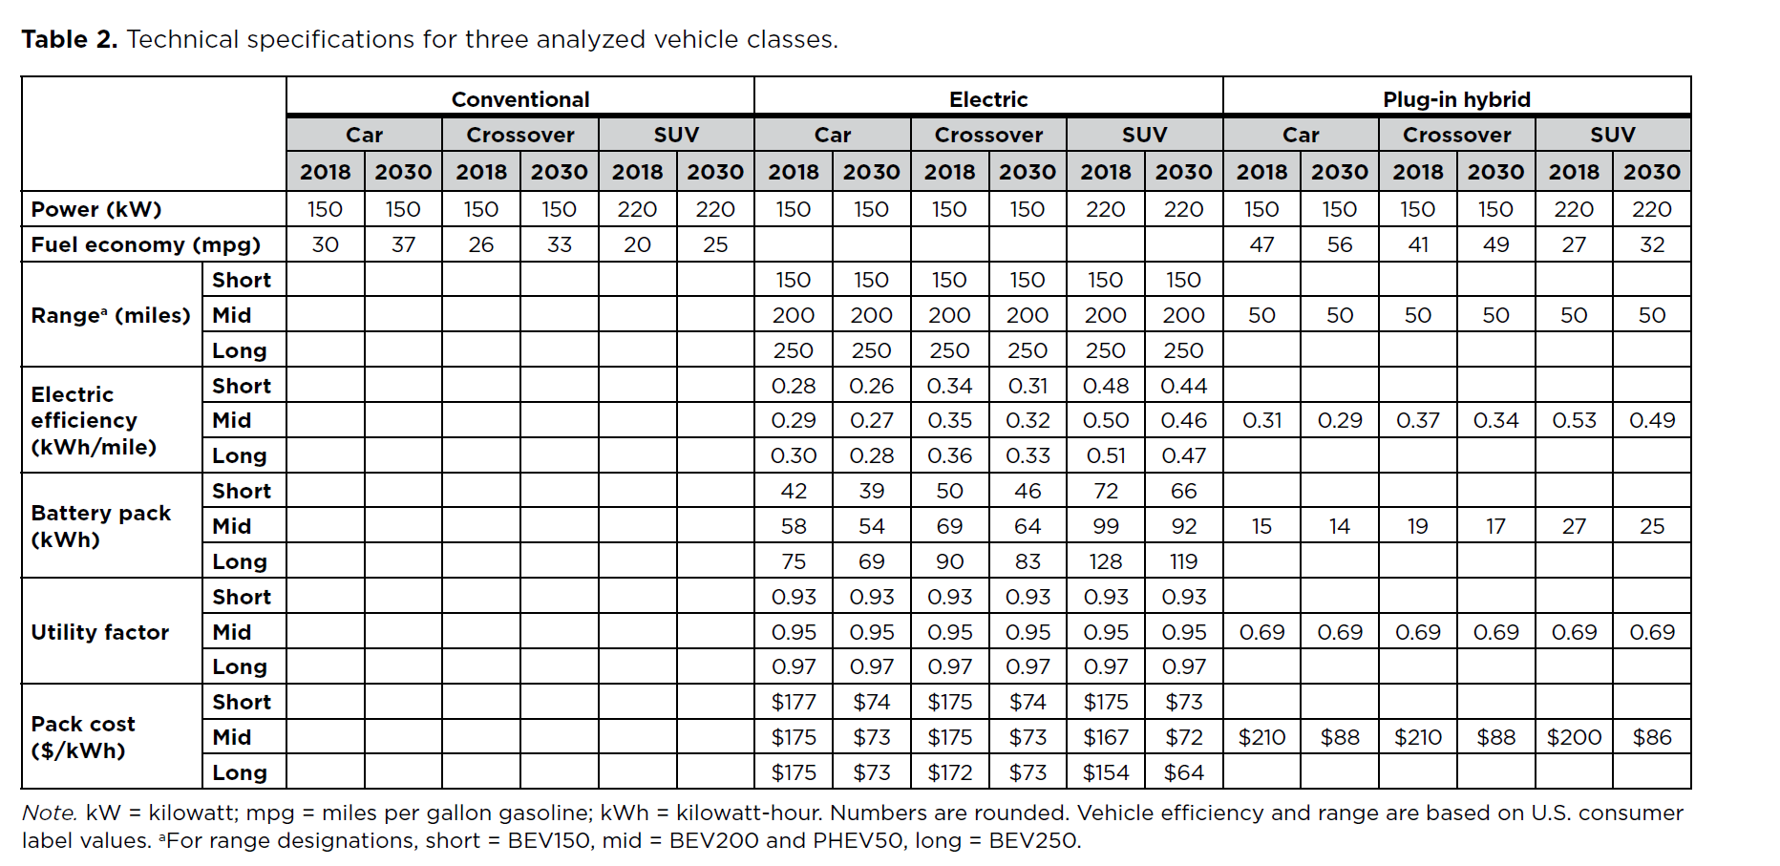
Specifications for Battery pack size (kWh)

Estimate car and light truck batteries size (kWh)

 | 2017 | 2018 | 2019 | 2020 | 2021 | 2022 | 2023 | 2024 | 2025 | 2026 | 2027 | 2028 | 2029 | 2030
250 mile range
car | 80.820895522 | 80.820895522 | 80.288557214 | 79.756218905 | 79.223880597 | 78.691542289 | 78.15920398 | 77.626865672 | 77.094527363 | 76.562189055 | 76.029850746 | 75.497512438 | 74.965174129 | 74.432835821
light truck | 145.18430132 | 145.18430132 | 144.33361205 | 143.48292279 | 142.63223352 | 141.78154426 | 140.93085499 | 140.08016573 | 139.22947646 | 138.37878719 | 137.52809793 | 136.67740866 | 135.8267194 | 134.97603013
Fleet avg LDV | 113.86628942 | 116.36215476 | 116.31551044 | 115.6840947 | 115.11417908 | 114.39457819 | 113.3814535 | 112.2745682 | 111.25005615 | 110.41093178 | 109.11189792 | 107.91158524 | 105.86917763 | 104.84331891
150 mile range
car | 45.104477612 | 45.104477612 | 44.822139303 | 44.539800995 | 44.257462687 | 43.975124378 | 43.69278607 | 43.410447761 | 43.128109453 | 42.845771144 | 42.563432836 | 42.281094527 | 41.998756219 | 41.71641791
light truck | 81.666169492 | 81.666169492 | 81.099043315 | 80.531917137 | 79.96479096 | 79.397664783 | 78.830538606 | 78.263412429 | 77.696286252 | 77.129160075 | 76.562033898 | 75.994907721 | 75.427781544 | 74.860655367
Fleet avg LDV | 63.875944021 | 65.293722622 | 65.228809688 | 64.831455823 | 64.468469763 | 64.020966702 | 63.40918141 | 62.746097775 | 62.130206904 | 61.618231077 | 60.852463428 | 60.143203859 | 58.973197323 | 58.364569438
PHEV range - 50 mi
car | 21.83641791 | 18.197014925 | 18.197014925 | 18.197014925 | 18.197014925 | 18.197014925 | 18.197014925 | 18.197014925 | 18.197014925 | 18.197014925 | 18.197014925 | 18.197014925 | 18.197014925 | 18.197014925
light truck | 40.833084746 | 34.027570621 | 34.027570621 | 34.027570621 | 34.027570621 | 34.027570621 | 34.027570621 | 34.027570621 | 34.027570621 | 34.027570621 | 34.027570621 | 34.027570621 | 34.027570621 | 34.027570621
Fleet avg LDV | 31.589667146 | 26.938595284 | 27.102100431 | 27.121974232 | 27.157401733 | 27.155627711 | 27.079811121 | 26.979455311 | 26.899057957 | 26.865308282 | 26.712821705 | 26.584292716 | 26.235383759 | 26.148608029

Reduction from initial value in kWh
Cumulative difference over time
 | 2017 | 2018 | 2019 | 2020 | 2021 | 2022 | 2023 | 2024 | 2025 | 2026 | 2027 | 2028 | 2029 | 2030
250 mile range
car | 0 | 0 | -0.5323 | -1.0647 | -1.5970 | -2.1294 | -2.6617 | -3.1940 | -3.7264 | -4.2587 | -4.7910 | -5.3234 | -5.8557 | -6.3881
light truck | 0 | 0 | -0.8507 | -1.7014 | -2.5521 | -3.4028 | -4.2534 | -5.1041 | -5.9548 | -6.8055 | -7.6562 | -8.5069 | -9.3576 | -10.2083

150 mile range
car | 0 | 0 | -0.2823 | -0.5647 | -0.8470 | -1.1294 | -1.4117 | -1.6940 | -1.9764 | -2.2587 | -2.5410 | -2.8234 | -3.1057 | -3.3881
light truck | 0 | 0 | -0.5671 | -1.1343 | -1.7014 | -2.2685 | -2.8356 | -3.4028 | -3.9699 | -4.5370 | -5.1041 | -5.6713 | -6.2384 | -6.8055

PHEV range - 50 mi
car | 0 | 0 | 0.0000 | 0.0000 | 0.0000 | 0.0000 | 0.0000 | 0.0000 | 0.0000 | 0.0000 | 0.0000 | 0.0000 | 0.0000 | 0.0000
light truck | 0 | 0 | 0.0000 | 0.0000 | 0.0000 | 0.0000 | 0.0000 | 0.0000 | 0.0000 | 0.0000 | 0.0000 | 0.0000 | 0.0000 | 0.0000

Estimated future car shares
 | 2017 | 2018 | 2019 | 2020 | 2021 | 2022 | 2023 | 2024 | 2025 | 2026 | 2027 | 2028 | 2029 | 2030
car | 0.48658102391 | 0.44780331619 | 0.4374748634 | 0.43621945572 | 0.43398153673 | 0.43409359987 | 0.43888285629 | 0.44522223007 | 0.45030084863 | 0.45243278105 | 0.46206520207 | 0.47018424676 | 0.49222446844 | 0.49770600247
truck | 0.51341897609 | 0.55219668381 | 0.5625251366 | 0.56378054428 | 0.56601846327 | 0.56590640013 | 0.56111714371 | 0.55477776993 | 0.54969915137 | 0.54756721895 | 0.53793479793 | 0.52981575324 | 0.50777553156 | 0.50229399753

 | 145.42372881

Find linear time series from ICCT source data shown below.

250 mile range
car | 75 | 75 | 74.5 | 74 | 73.5 | 73 | 72.5 | 72 | 71.5 | 71 | 70.5 | 70 | 69.5 | 69
crossover | 90 | 90 | 89.416666667 | 88.833333333 | 88.25 | 87.666666667 | 87.083333333 | 86.5 | 85.916666667 | 85.333333333 | 84.75 | 84.166666667 | 83.583333333 | 83
SUV | 128 | 128 | 127.25 | 126.5 | 125.75 | 125 | 124.25 | 123.5 | 122.75 | 122 | 121.25 | 120.5 | 119.75 | 119
pickup | 186.14237288 | 186 | 185.05169492 | 183.96101695 | 182.87033898 | 181.77966102 | 180.68898305 | 179.59830508 | 178.50762712 | 177.41694915 | 176.32627119 | 175.23559322 | 174.14491525 | 173

150 mile range
car | 42 | 42 | 41.75 | 41.5 | 41.25 | 41 | 40.75 | 40.5 | 40.25 | 40 | 39.75 | 39.5 | 39.25 | 39
crossover | 50 | 50 | 49.666666667 | 49.333333333 | 49 | 48.666666667 | 48.333333333 | 48 | 47.666666667 | 47.333333333 | 47 | 46.666666667 | 46.333333333 | 46
SUV | 72 | 72 | 71.5 | 71 | 70.5 | 70 | 69.5 | 69 | 68.5 | 68 | 67.5 | 67 | 66.5 | 66
pickup | 104.70508475 | 105 | 103.9779661 | 103.25084746 | 102.52372881 | 101.79661017 | 101.06949153 | 100.34237288 | 99.615254237 | 98.888135593 | 98.161016949 | 97.433898305 | 96.706779661 | 96

PHEV range - 50 mi | * see note below

car | 20.16 | 16.8 | 16.8 | 16.8 | 16.8 | 16.8 | 16.8 | 16.8 | 16.8 | 16.8 | 16.8 | 16.8 | 16.8 | 17
crossover | 24.48 | 20.4 | 20.4 | 20.4 | 20.4 | 20.4 | 20.4 | 20.4 | 20.4 | 20.4 | 20.4 | 20.4 | 20.4 | 20
SUV | 36 | 30 | 30 | 30 | 30 | 30 | 30 | 30 | 30 | 30 | 30 | 30 | 30 | 30
pickup | 52.352542373 | 43.627118644 | 43.627118644 | 43.627118644 | 43.627118644 | 43.627118644 | 43.627118644 | 43.627118644 | 43.627118644 | 43.627118644 | 43.627118644 | 43.627118644 | 43.627118644 | 44

Input data from ICCT

 | 150 miles |  | 250 miles |  |  | PHEV
 | short |  | long
 | 2018 | 2030 | 2018 | 2030 |  |  | 2018 | 2030
car | 42 | 39 | 75 | 69 |  | car | 15 | 14
crossover | 50 | 46 | 90 | 83 |  | crossover | 19 | 17
SUV | 72 | 66 | 128 | 119 |  | SUV | 27 | 25
pickup | 105 | 96 | 186 | 173 |  | pickup | 39 | 36 |  | Estimated

Input data developed for this study
ICCT states
"PHEV pack level costs are assumed to remain 20% higher than those for BEVs throughout the time frame of the analysis."
We are not able to specify different costs for different battery applications.
This 20% cost difference is accounted for by increasing the required battery size/capacity, as carried out immediately below.

PHEV
 | 2018 | 2030
car | 18 | 16.8
crossover | 22.8 | 20.4
SUV | 32.4 | 30
pickup | 47.117288136 | 43.627118644 |  | Estimated

Enginer size ratio - pickup over full size SUV |  | 1.45

Car category
Share of cars | 0.61194029851
Share of crossovers | 0.38805970149
Light truck category
Share of pickups | 0.29555555556
Share of truck SUVs | 0.70444444444

Pickup-Truck SUV sales data
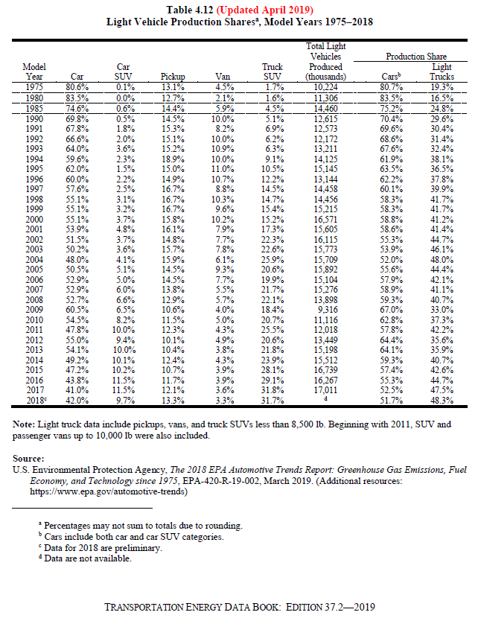

Use 2018 ratio of each over sum of pickup and truck SUV to find weighted average cost.
Share of pickups | Share of truck SUVs
0.133 | 0.317

Adjusted to 100% of light trucks

Share of pickups | Share of truck SUVs
0.29555555556 | 0.70444444444

Pickup-SUV data inputs
The production-weighted loaded vehicle weight of pickups, vans, and truck SUVs increased from 1975 to 2018. Pickups gained more than 1,100 lb while vans gained 290 lb and truck SUVs gained 225 lb.

 |  |  |  |  | The production-weighted loaded vehicle weight of cars declined by 525 lb from 1975 to 2018, while car SUVs declined by 222 lb.

Table 4.18 (Updated April 2019)
Production-Weighted Loaded Vehicle Weight of New |  |  |  |  | Table 4.17 (Updated April 2019)
Domestic and Import Light Trucks |  |  |  |  | Production-Weighted Loaded Vehicle Weight of New Domestic and Import Cars
Model Years 1975-2018 |  |  |  |  | Model Years 1975-2018
(pounds) |  |  |  | Calculated | (pounds)

Model Year | Pickup | Van | Truck SUV | Pickup / SUV | Model Year | Car | Car SUV
1975 | 4,012 | 4,196 | 4,214 | 0.95206454675 | 1975 | 4,058 | 4,000
1976 | 4,122 | 4,200 | 4,328 | 0.95240295749 | 1976 | 4,059 | 3,986
1977 | 4,092 | 4,252 | 4,248 | 0.96327683616 | 1977 | 3,944 | 4,000
1978 | 4,104 | 4,250 | 4,282 | 0.95843063989 | 1978 | 3,588 | 4,000
1979 | 4,142 | 4,541 | 4,561 | 0.9081341811 | 1979 | 3,485 | 3,271
1980 | 3,740 | 4,353 | 4,237 | 0.8827000236 | 1980 | 3,101 | 4,000
1981 | 3,679 | 4,324 | 4,208 | 0.87428707224 | 1981 | 3,076 | 4,000
1982 | 3,629 | 4,342 | 4,494 | 0.8075211393 | 1982 | 3,054 | 2,630
1983 | 3,544 | 4,414 | 4,270 | 0.8299765808 | 1983 | 3,112 | 3,124
1984 | 3,619 | 4,075 | 4,049 | 0.8938009385 | 1984 | 3,099 | 3,487
1985 | 3,642 | 3,975 | 4,092 | 0.89002932551 | 1985 | 3,093 | 3,469
1986 | 3,574 | 3,998 | 3,958 | 0.90298130369 | 1986 | 3,041 | 3,479
1987 | 3,526 | 3,972 | 3,882 | 0.90829469346 | 1987 | 3,031 | 3,492
1988 | 3,737 | 4,053 | 3,906 | 0.95673323093 | 1988 | 3,047 | 3,495
1989 | 3,803 | 4,057 | 4,086 | 0.93073910915 | 1989 | 3,099 | 3,497
1990 | 3,928 | 4,095 | 4,098 | 0.95851634944 | 1990 | 3,176 | 3,518
1991 | 3,779 | 4,133 | 4,157 | 0.90906904017 | 1991 | 3,154 | 3,733
1992 | 3,976 | 4,151 | 4,204 | 0.9457659372 | 1992 | 3,240 | 3,713
1993 | 3,996 | 4,105 | 4,331 | 0.92265065805 | 1993 | 3,207 | 3,848
1994 | 4,056 | 4,156 | 4,331 | 0.93650427153 | 1994 | 3,250 | 3,735
1995 | 4,182 | 4,110 | 4,323 | 0.96738376128 | 1995 | 3,263 | 3,763
1996 | 4,190 | 4,195 | 4,386 | 0.9553123575 | 1996 | 3,282 | 3,710
1997 | 4,415 | 4,240 | 4,463 | 0.98924490253 | 1997 | 3,274 | 3,549
1998 | 4,282 | 4,183 | 4,450 | 0.96224719101 | 1998 | 3,306 | 3,824
1999 | 4,486 | 4,306 | 4,518 | 0.99291722001 | 1999 | 3,365 | 3,831
2000 | 4,340 | 4,276 | 4,602 | 0.9430682312 | 2000 | 3,369 | 3,870
2001 | 4,551 | 4,518 | 4,546 | 1.001099868 | 2001 | 3,380 | 3,765
2002 | 4,690 | 4,394 | 4,636 | 1.0116479724 | 2002 | 3,391 | 3,747
2003 | 4,642 | 4,393 | 4,754 | 0.97644089188 | 2003 | 3,417 | 3,716
2004 | 4,939 | 4,487 | 4,756 | 1.0384777124 | 2004 | 3,462 | 3,854
2005 | 4,988 | 4,430 | 4,756 | 1.0487804878 | 2005 | 3,463 | 3,848
2006 | 4,968 | 4,475 | 4,715 | 1.0536585366 | 2006 | 3,534 | 3,876
2007 | 5,144 | 4,479 | 4,797 | 1.0723368772 | 2007 | 3,507 | 3,935
2008 | 5,161 | 4,527 | 4,727 | 1.0918129892 | 2008 | 3,527 | 3,902
2009 | 5,176 | 4,572 | 4,548 | 1.1380826737 | 2009 | 3,464 | 3,846
2010 | 5,309 | 4,533 | 4,555 | 1.165532382 | 2010 | 3,474 | 3,949
2011 | 5,268 | 4,502 | 4,665 | 1.1292604502 | 2011 | 3,559 | 3,890
2012 | 5,335 | 4,442 | 4,640 | 1.1497844828 | 2012 | 3,452 | 3,915
2013 | 5,429 | 4,543 | 4,584 | 1.1843368237 | 2013 | 3,465 | 3,966
2014 | 5,485 | 4,489 | 4,483 | 1.2235110417 | 2014 | 3,497 | 3,865
2015 | 5,165 | 4,416 | 4,533 | 1.1394220163 | 2015 | 3,489 | 3,868
2016 | 5,150 | 4,459 | 4,482 | 1.1490406069 | 2016 | 3,468 | 3,782
2017 | 5,217 | 4,503 | 4,510 | 1.1567627494 | 2017 | 3,470 | 3,855
2018b | 5,184 | 4,485 | 4,438 | 1.1680937359 | 2018b | 3,532 | 3,778
Annual average percentage change |  |  |  |  | Annual average percentage change
1975-2018 | 0.6% | 0.2% | 0.1% |  | 1975-2018 | -0.3% | -0.1%
2008-2018 | 0.0% | -0.1% | -0.6% |  | 2008-2018 | 0.0% | -0.3%

Note: Data include pickups, vans, and truck SUV less than 8,500 lb. Beginning with 2011, truck SUVs and passenger vans up to 10,000 lb were also included. |  |  |  |  | Source:
 |  |  |  |  | U.S. Environmental Protection Agency, The 2018 EPA Automotive Trends Report: Greenhouse Gas Emissions, Fuel Economy, and Technology since 1975, EPA-420-R-19-002, March 2019. (Additional resources: https://www.epa.gov/automotive-trends)

Source:
U.S. Environmental Protection Agency, The 2018 EPA Automotive Trends Report: Greenhouse Gas Emissions, Fuel Economy, and Technology since 1975, EPA-420-R-19-002, March 2019. (Additional resources: https://www.epa.gov/automotive-trends)
 |  |  |  |  | a Loaded vehicle weight is equal to the vehicle’s curb weight plus 300 pounds.
 |  |  |  |  | b Data for 2018 are preliminary.

a Loaded vehicle weight is equal to the vehicle’s curb weight plus 300 pounds.
b Data for 2018 are preliminary.

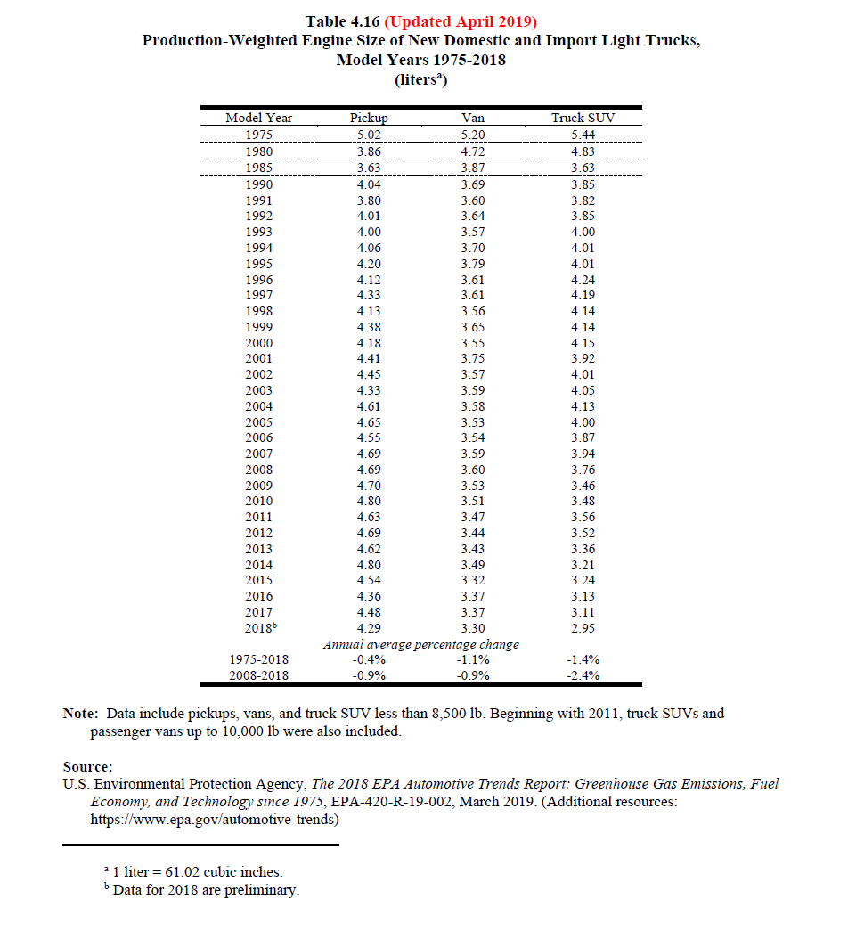
 |  |  |  |  |  | Ratio of engine size pickup to truck SUV
 |  |  |  |  |  | Pickup | 4.29
 |  |  |  |  |  | Truck SUV | 2.95
 |  |  |  |  |  | Ratio of engine size pickup to truck SUV | 1.4542372881

Data & intermediate calcs
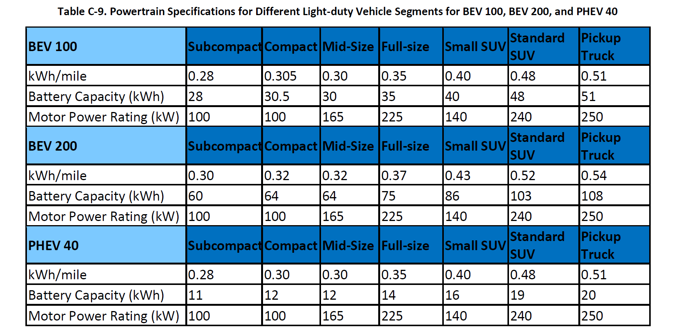
We understand SUV as full sized

Definitions
Car | Car and crossover
Light truck | Truck SUV and pickup

Estimating vehicle shares

Background: ICCT states on page 4:

The crossovers include
station wagons and small SUVs,of
which approximately half are classified
as passenger cars and half as light
trucks for regulatory purposes. Based
on the 2016 data, the three vehicle
classes represent 41%, 26%, and 22%,
respectively, of new U.S. light-duty
vehicle sales. The remaining 11% of the
U.S. light-duty vehicle market is pickup
trucks, which are not analyzed in this
report

Car category

We looked to the "LDV shares-Pickup vs Truck SUV" tab and data for details, but the "car SUV" category is much smaller than ICCT states.
For example, in year 2018, preliminary data show the percentage below 10%.

When estimating costs and other input parameters for the car category, the shares implied in the ICCT document are used to find the weighted average
E.G., 41% for cars vs 26% for crossovers

Share of cars | 0.61194029851
Share of crossovers | 0.38805970149

Light truck category

Composition of pickup vs SUV in light truck category based on most recent empirical levels.

Share of pickups | 0.29555555556
Share of truck SUVs | 0.70444444444

Car - Light truck

2017 and 2018 based on empirical data from the California New Car Dealers Association
Change over time based on sales share changes in the AEO 2019 forecast for the Western coast states (see tab "AEO 39.9 sales - Pacific")

Short - long range split for Evs

Average following EIA trends

Range | Shares on average
150 - short | 0.6620867874
250 - long | 0.3379132126

Vehicles costs
Four parts to cost accounting

1 |  | Battery - handled separately
2 |  | Power train cost
3 |  | Other direct cost
4 |  | Indirect cost

Calibration for EPS also involves projections of future LDV sales.

In order to seek the most similar comparison on a performance basis, the 250 mile range vehicle is considered exclusively.

Gas vehicle costs. | 0.00% | per year

This value is set at zero because the model internally calculates vehicle price increases due to better fuel economy.
We include the option to set a parameter value in the cell above -- set to zero for the Oregon EPS input value.
We do this because we also wish to use this spreadsheet for a total cost of ownership calculation in isolation,
using internal calcuations apart from the EPS.

We note the ICCT and UBS approaches below:
ICCT includes an annual cost increase of %0.35 for efficiency improvements.
UBS approach, "For the Golf, we model 0.5% cost inflation p.a., but also a 2% increase in fuel efficiency"

Ancillary vehicle costs

Dearler markup | 0.15 | ICCT, p.7 |  | Constant across types

Profit margins |  | Source
car | 0.05 | ICCT, p.7
car and crossover | 0.1 | ICCT, p.7
SUV (full size or "Truck SUV") | 0.15 | ICCT, p.7
Pickup | 0.25 | Assumed |  | Regarding pickup truck profit margin: We have not identified the industry average yet, but have found copius anecdotal evidence of higher profits in this segement, e.g.
 |  |  |  | https://www.autonews.com/article/20150428/BLOG06/150429797/the-f-150-ford-s-heavy-duty-profit-hauler
impute car and pickup profit margins
Pickup | 0.17955555556
Car | 0.1

ICCT adds sales tax. The EPS handles this independently

Indirect cost per vehicle
source: ICCT p. 5 |  | Gas | UBS 2018 | UBS 2025
Indirect cost |  | 4000 | 10584 | 3200

Maintenance costs

ICCT states | Conventional vehicle maintenance
 | costs are assumed to be $0.061,
 | $0.065, and $0.094 per mile for the
 | car, crossover, and SUV, respectively,
 | as well as BEV maintenance costs of
 | $0.026, $0.029, and $0.039 per mile.

Gasoline | Cost per mile
car | 0.061 |  |  |  | Share of cars | 0.61194029851
crossover | 0.065 |  |  |  | Share of crossovers | 0.38805970149
SUV | 0.094 |  |  |  | Share of pickups | 0.29555555556
Truck (estimated) | 0.10980081118 |  |  |  | Share of truck SUVs | 0.70444444444

Electric | Cost per mile
car | 0.026
crossover | 0.029
SUV | 0.039
Truck (estimated) | 0.045555655701

Recategorize

Gasoline | Cost per mile
Car | 0.062552238806
Light truck | 0.098670017525

EV | Cost per mile
Car | 0.027164179104
Light truck | 0.040937560463

Total cost of ownership

Variables mostly chosen to align with EPS data (inputs and outputs)

Vehicle efficiency, fuel costs, vehicle distance from EPS.
Average distance traveled | 12754
Average passenger occupancy | 1.579999689

Time horizon
Calculated as |  |  | #REF!
Rounded to |  |  | 6

ICCT approach |  | The first owner of
(No citation) |  | the vehicle is assumed to operate the
 |  | vehicle for 5 years, which is typical of
 |  | vehicle ownership and vehicle leasing
 |  | terms in the United States.

From BTS table 1-17
#REF! | #REF!
#REF! | #REF!

#REF! |  |  | #REF!
#REF!

EPS net present value based on LDV lifetime of 17 years
We will look to adjust the discount rate in the EPS to roughly align with this time horizon.

Discount rate
We use 7% as US EPA has used in its analysis. |  |  | 0.07

See page 63 of Greene 2010

ICCT approach | To assess
 | future-year fuel costs, a discount
 | rate of 5% for each year beyond
 | the purchase year is included in net
 | present value accounting.

Common together inputs
Average distance traveled | 12754
Time horizon | 6
Discount rate | 0.07

Home charging cost
Home charger | 1300 | BEV
 | 300 | PHEV

ICCT approach | a home charger cost of
 | $1,300 for BEVs and $300 for PHEVs
 | is included to enable more convenient
 | residential charging.

 | One estimates finds close to 10% of EV owners will forgo these costs.

Extending ICCT to pickup truck

Ratio of engine size pickup to truck SUV | 1.4542372881 |  | Use this factor to scale up powertrain requirements (including battery)

Ratio of weight pickup over truck SUV | 1.1680937359 |  | Use this factor to scale up other direct costs

Comparision to Ricardo - PG&E EPIC contract work.

Battery discharge capacity (Ricardo)
 | full size SUV | pickup | ratio
100 mile | 48 | 51 | 1.0625
200 mile | 103 | 108 | 1.0485436893

future car-pickup shares
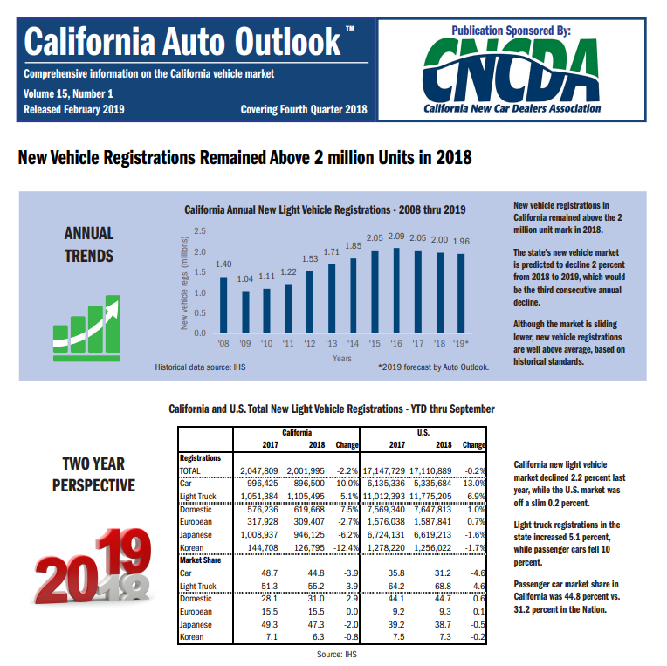
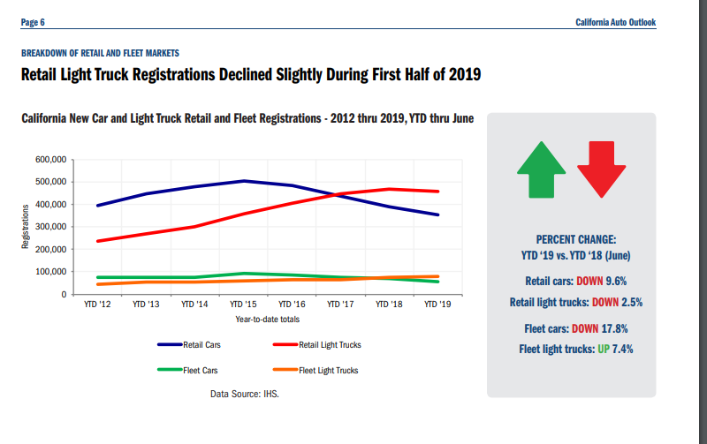
 | sum 2017-2030 | % over 2017-2030
car | 12371972.962 | 45.6%
truck | 14768942.309 | 54.4%
total | 27140915.271

Shares by year (future values based on EIA - AEO 2019 - Pacific Region trends in car and light truck sales)
 | Actual | Actual | Estimated for 2019 and later
 | 2017 | 2018 | 2019 | 2020 | 2021 | 2022 | 2023 | 2024 | 2025 | 2026 | 2027 | 2028 | 2029 | 2030
car | 0.48658102391 | 0.44780331619 | 0.4374748634 | 0.43621945572 | 0.43398153673 | 0.43409359987 | 0.43888285629 | 0.44522223007 | 0.45030084863 | 0.45243278105 | 0.46206520207 | 0.47018424676 | 0.49222446844 | 0.49770600247
truck | 0.51341897609 | 0.55219668381 | 0.5625251366 | 0.56378054428 | 0.56601846327 | 0.56590640013 | 0.56111714371 | 0.55477776993 | 0.54969915137 | 0.54756721895 | 0.53793479793 | 0.52981575324 | 0.50777553156 | 0.50229399753

 | Actual |  | Estimated
 | 2017 LDV sales | 2018 LDV sales | 2019 | 2020 | 2021 | 2022 | 2023 | 2024 | 2025 | 2026 | 2027 | 2028 | 2029 | 2030
car | 996425 | 896500 | 878,348.72 | 870,366.75 | 861,421.38 | 840,368.46 | 848,062.15 | 855,253.88 | 857,740.25 | 860,850.61 | 872,536.22 | 885,427.12 | 919,058.19 | 929,614.23
truck | 1051384 | 1105495 | 1,129,420.85 | 1,124,882.97 | 1,123,504.96 | 1,095,546.89 | 1,084,257.91 | 1,065,705.63 | 1,047,075.72 | 1,041,864.33 | 1,015,803.82 | 997,722.15 | 948,094.40 | 938,183.68
total | 2047809 | 2001995 | 2,007,770 | 1,995,250 | 1,984,926 | 1,935,915 | 1,932,320 | 1,920,960 | 1,904,816 | 1,902,715 | 1,888,340 | 1,883,149 | 1,867,153 | 1,867,798

Use EIA - AEO 2019 - Pacific region to impute future trends

 |  |  | Calculated annual changes from EIA - Pacific
 |  | car | -2.0% | -0.909% | -1.028% | -2.444% | 0.916% | 0.848% | 0.291% | 0.363% | 1.357% | 1.477% | 3.798% | 1.149%
 |  | truck | 2.2% | -0.4018% | -0.1225% | -2.4885% | -1.0304% | -1.7111% | -1.7481% | -0.4977% | -2.5013% | -1.7800% | -4.9741% | -1.0453%

Most recent annual - empirical data
 | 2017 LDV sales |  | 2018 LDV sales | %
car | 996,425 | 49% | 896,500 | 45%
truck | 1,051,384 | 51% | 1,105,495 | 55%
total | 2,047,809 |  | 2,001,995

 | https://www.cncda.org/wp-content/uploads/Cal-Covering-4Q-18.pdf |  |  |  |  |  |  | Trend |  | https://www.cncda.org/wp-content/uploads/Cal-Covering-2Q-19.pdf

LDV market segments
 | National Auto Dealers Association
 | Market Beat
 | https://www.nada.org/WorkArea/DownloadAsset.aspx?id=21474853735
 | Jan-18

 | California Dealers Association Data do not provide this level of specificity at the segment level.
 | Use the following data to estimate sales by segment.

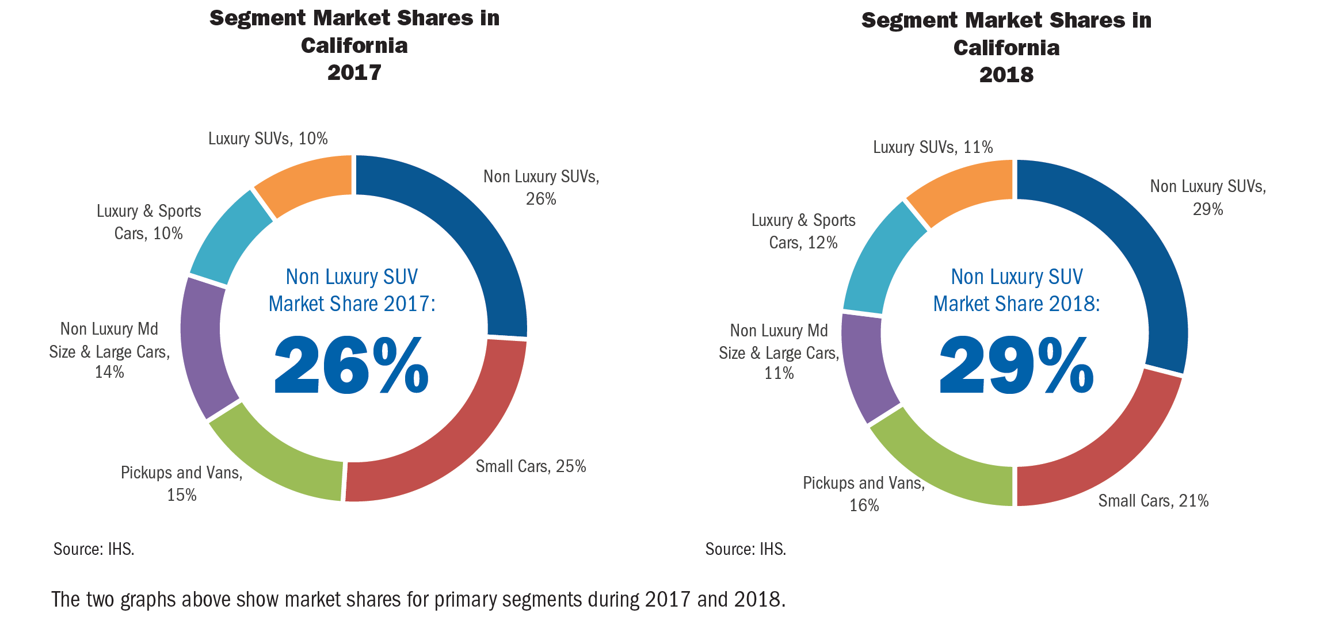
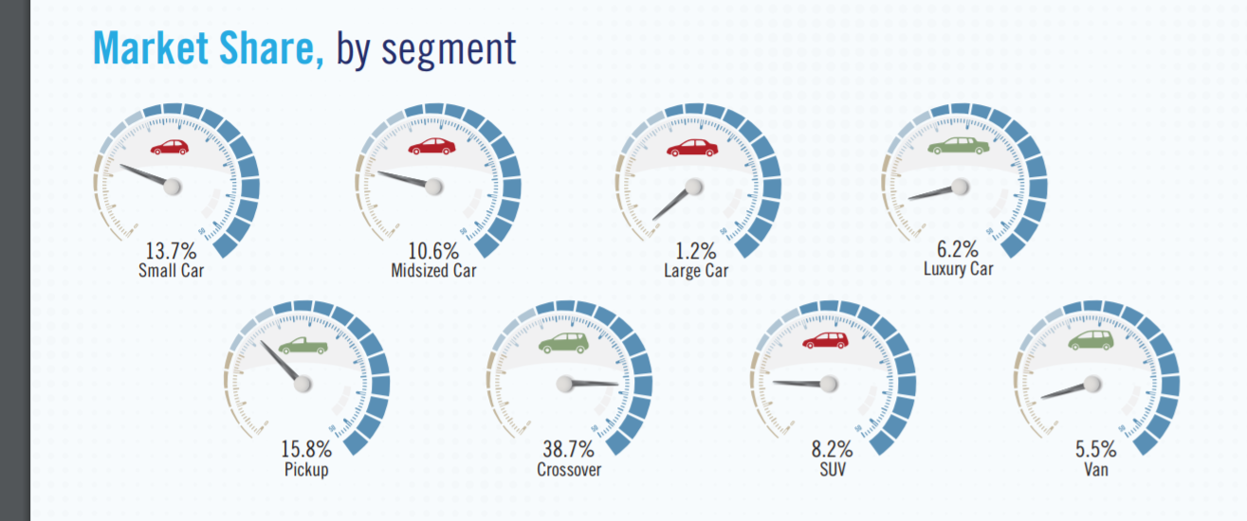

 | https://www.nada.org/WorkArea/DownloadAsset.aspx?id=21474853735

 | Cal dealers association |  | National auto dealers association

 |  |  | Fractions within car or truck
 |  | use national data to scale down to smaller segments
car |  |  | car |  | share of cars
small | 0.21 | 0.21 | small | 0.137 | 0.53725490196
mid |  | 0.098813559322 | mid | 0.106 | 0.41568627451
large or medium | 0.11 | 0.011186440678 | large | 0.012 | 0.047058823529
 |  |  | (luxury assumed to span types, so exclude)
 |  |  | subtotal | 0.255

truck |  |  | truck
pickup | 0.16 | 0.16 | pickup | 0.158 | 0.25199362041
crossover |  | 0.23929637527 | crossover | 0.387 | 0.61722488038
SUV | 0.29 | 0.050703624733 | SUV | 0.082 | 0.1307814992
 |  |  | (don’t have value for van, so exclude)
 |  |  |  | 0.627

Also identify share of car vs. truck

car | 0.32
truck | 0.45

Sales
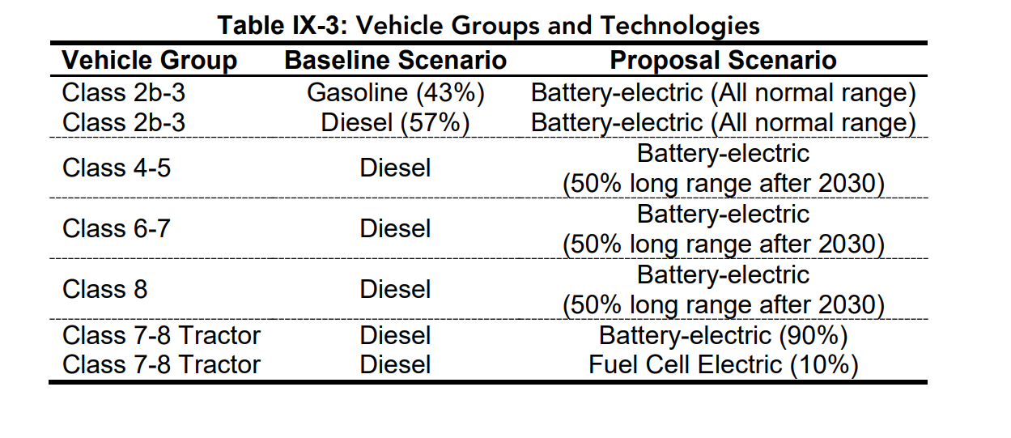
New vehicles sales | ** CA specific data
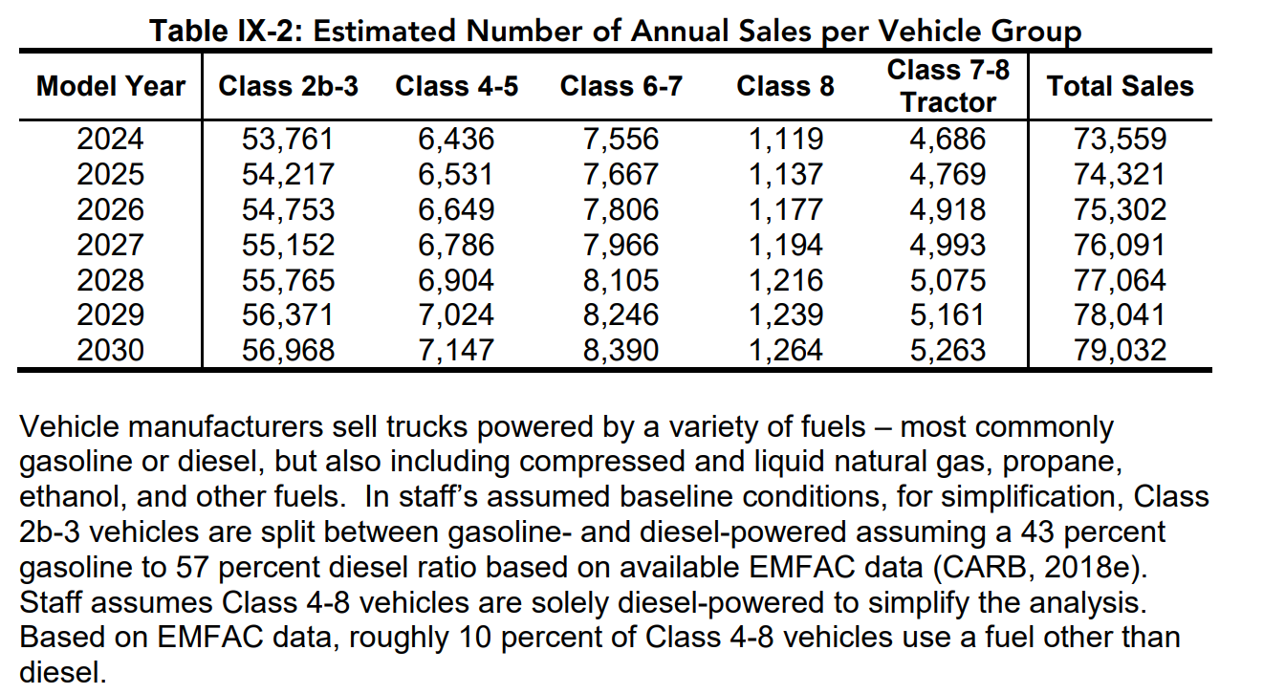
MDV - proportion of new sales by class

2-3 | 78.94%
4-5 | 9.69%
6-7 | 11.37%
 | 100.00%

7-8 Tractors | 1

MDV |  |  |  | HDV

Cumulative by class 2024-2028
2-3 | 4-5 | 6-7 | 8 |  | 7-8 Tractors
386987 | 47477 | 55736 | 8346 |  | 34865

Class by year below
53761 | 6436 | 7556 | 1119 |  | 4686
54217 | 6531 | 7667 | 1137 |  | 4769
54753 | 6649 | 7806 | 1177 |  | 4918
55152 | 6786 | 7966 | 1194 |  | 4993
55765 | 6904 | 8105 | 1216 |  | 5075
56371 | 7024 | 8246 | 1239 |  | 5161
56968 | 7147 | 8390 | 1264 |  | 5263
386987 | 47477 | 55736 | 8346 |  | 34865

Sum of MDV across new vehicle sales in ISOR, excluding type 8 | 490200
Sum of HDV | 34865

ACT MDV diesel - gasoline
New MDV price
 | 2017 | 2018 | 2019 | 2020 | 2021 | 2022 | 2023 | 2024 | 2025 | 2026 | 2027 | 2028 | 2029 | 2030
Diesel | $62,906 | $62,906 | $62,906 | $62,906 | $63,654 | $64,403 | $65,151 | $66,522 | $67,893 | $69,263 | $71,127 | $72,991 | $74,855 | $76,718
Gasoline | 45000 | 45000 | 45000 | 45000 | 45524 | 46048 | 46572 | 47535 | 48498 | 49461 | 50825 | 52189 | 53553 | 54917

MDV - proportion of new DIESEL sales by class
2-3 | 61.5%
4-5 | 13.2%
6-7 | 15.5%
8 | 9.7%

Gas
2-3 base | 45000 | 45000 | 45000 | 45000 | 45524 | 46048 | 46572 | 47535 | 48498 | 49461 | 50825 | 52189 | 53553 | 54917
2-3 increment | 0 | 0 | 0 | 0 | 524 | 524 | 524 | 963 | 963 | 963 | 1364 | 1364 | 1364 | 1364

Diesel
2-3 base | 50000 | 50000 | 50000 | 50000 | 50524 | 51048 | 51572 | 52535 | 53498 | 54461 | 55825 | 57189 | 58553 | 59917
2-3 increment | 0 | 0 | 0 | 0 | 524 | 524 | 524 | 963 | 963 | 963 | 1364 | 1364 | 1364 | 1364

4-5 base | 55000 | 55000 | 55000 | 55000 | 56110 | 57220 | 58330 | 60352 | 62374 | 64396 | 67058 | 69720 | 72382 | 75044
4-5 increment | 0 | 0 | 0 | 0 | 1110 | 1110 | 1110 | 2022 | 2022 | 2022 | 2662 | 2662 | 2662 | 2662

6-7 base | 85000 | 85000 | 85000 | 85000 | 86110 | 87220 | 88330 | 90352 | 92374 | 94396 | 97058 | 99720 | 102382 | 105044
6-7 increment | 0 | 0 | 0 | 0 | 1110 | 1110 | 1110 | 2022 | 2022 | 2022 | 2662 | 2662 | 2662 | 2662

8 base + increment | 120000 | 120000 | 120000 | 120000 | 121100 | 122200 | 123300 | 125322 | 127344 | 129366 | 132028 | 134690 | 137352 | 140014
8 increment | 0 | 0 | 0 | 0 | 1100 | 1100 | 1100 | 2022 | 2022 | 2022 | 2662 | 2662 | 2662 | 2662

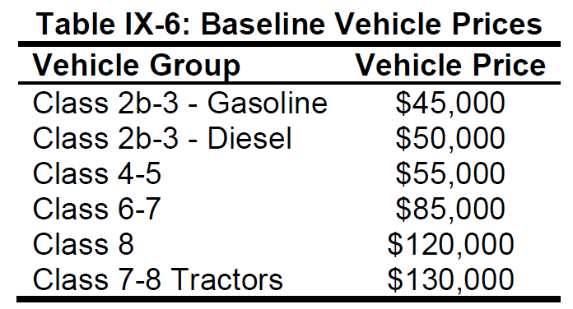

0 | 0.0%
7-8 Tractors | 100.0%

Ships
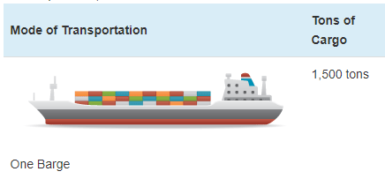
Ship prices vary greatly by ship type and size. Based on variable AVLo, our average |  |  |  | freight ship capacity
freight ship loading is 1363 tons. This may be reasonably represented by a single oceangoing, |  |  |  | Tennessee-Tombigbee Waterway
self-propelled barge that has a capacity of 1500 tons (see source info to the right). A drawing |  |  |  | undated
of a barge of this type is shown to the right (from thas same source). |  |  |  | Cargo Capacity of Different Transportation Modes
 |  |  |  | http://business.tenntom.org/why-use-the-waterway/shipping-comparisons/
Capacities of large barges of this sort are often expressed in TEU (twenty-foot equivalent units),
which are the size of a standard intermodal metal shipping container. They do not convert
neatly into cargo tons, but standard containers have a maximum payload
mass of 21600 kg, or 21.6 metric tons. Typical payload may be less. We use 16 tons as
the typical load for a freight HDV (see variable AVLo), which may use an intermodal container
or be similar in size to one.

The largest barge in the world is the Maersk Triple E class, with a capacity of 18,340 TEU |  |  |  | Source for TEU capacities
and a cost of $185 million. This is more than 200 times more capacity than the ship we |  |  |  | https://web.archive.org/web/20090420143514/http://emase.co.uk/data/cont.html
wish to represent with this variable, and it serves as an upper bound reference point.
 |  |  |  | Source for Maersk Triple E class pricing
A variety of used boats are listed for sale at https://www.oceanmarine.com |  |  |  | https://www.bloomberg.com/news/photo-essays/2013-09-05/holy-ship#slide1
with ever-changing inventory. These barges all tend to be smaller than the reference
ship we wish to represent (with 1500-ton capacity). The closest ships I have been |  |  |  | Source for Other Example cargo ship pricing
able to find are certain Platform Supply Vessels, which tend to have higher deck capacities |  |  |  | https://www.oceanmarine.com
and lower prices than the similar Anchor Handling Tug Supply (AHTS) vessels. AHTS
vessels have extra equipment and engine power that may increase their price relative
to the necessary capacity.

 | Description | Deck Capacity (metric tons) | Price | Year of Manufacture
 | 180ft 5200HP AHTS 9504 | 500 | 5900000 | 1984
 | 60 Ton BP AHTS - 9279 | 500 | 7050000 | 1984
 | 5200HP AHTS - 9278 | 500 | 7050000 | 1983
 | 220ft Platform Supply DP-1 - 13146 | 1030 | 6000000 | 1999
 | 240ft Platform Supply Vessel(PSV) DP-1 - 13932 | 1800 | 6000000 | 2009
 | 285ft Platform Supply Vessel (PSV) - 13810 | 2800 | 22000000 | 2014

Based on all of these data points, we select a value of $10 million to represent a brand new,
self-propelled, ocean-going barge or supply boat with 1,500-ton capacity.
10000000

We assume no change in pricing over time.

Passenger Ships (recreational boats in the U.S. model) |  |  |  | Source for typical recreational boat characteristics
As with freight ships, there are a great variety of types of recreational boats at various |  |  |  | http://www.carefreeboater.com/how-much-does-a-boat-cost/
price points. We assume a runabout roughly 21 feet to 24 feet in length is typical.
 |  |  |  | Sources for boat prices
We use a value of $30,000 for these boats, which seems reasonable for a brand |  |  |  | http://www.boatingmag.com
new, entry-level runabout of the sort determined to be typical. This is based |  |  |  | http://www.boattrader.com
on examination of price listings and articles at the sources listed to the right. |  |  |  | http://www.boats.com
30000

We assume no change in pricing over time.

